Getting Started
 | Getting Started

1. Go to the "NZ Schools (1996-2021)" tab. It should look like this:
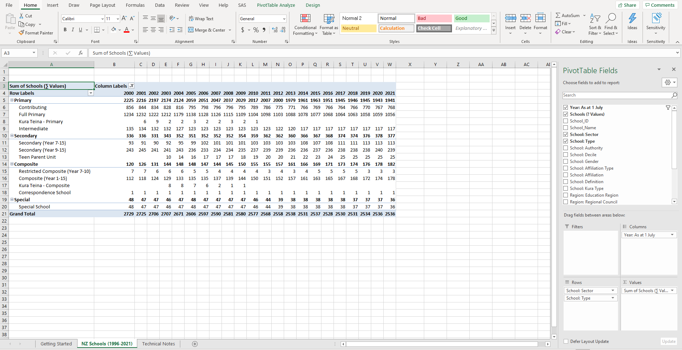

2. Click anywhere within the table and the PivotTable Field List will appear on the right hand side of your screen. This is the tool you use to edit what your table will look like. If you click outside of the table it will disappear.

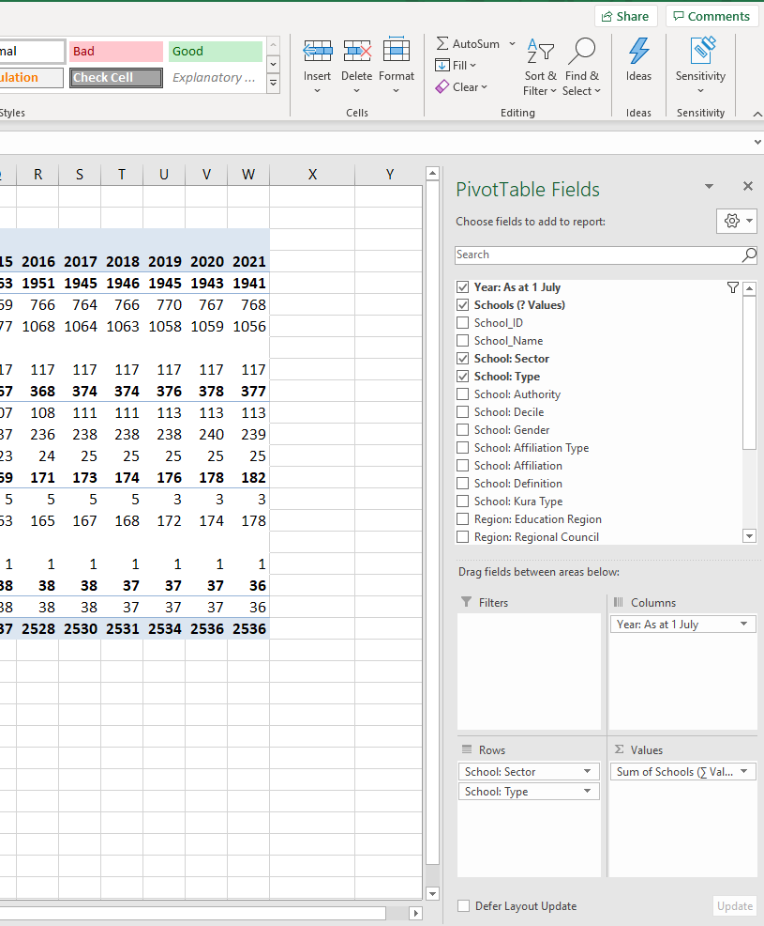
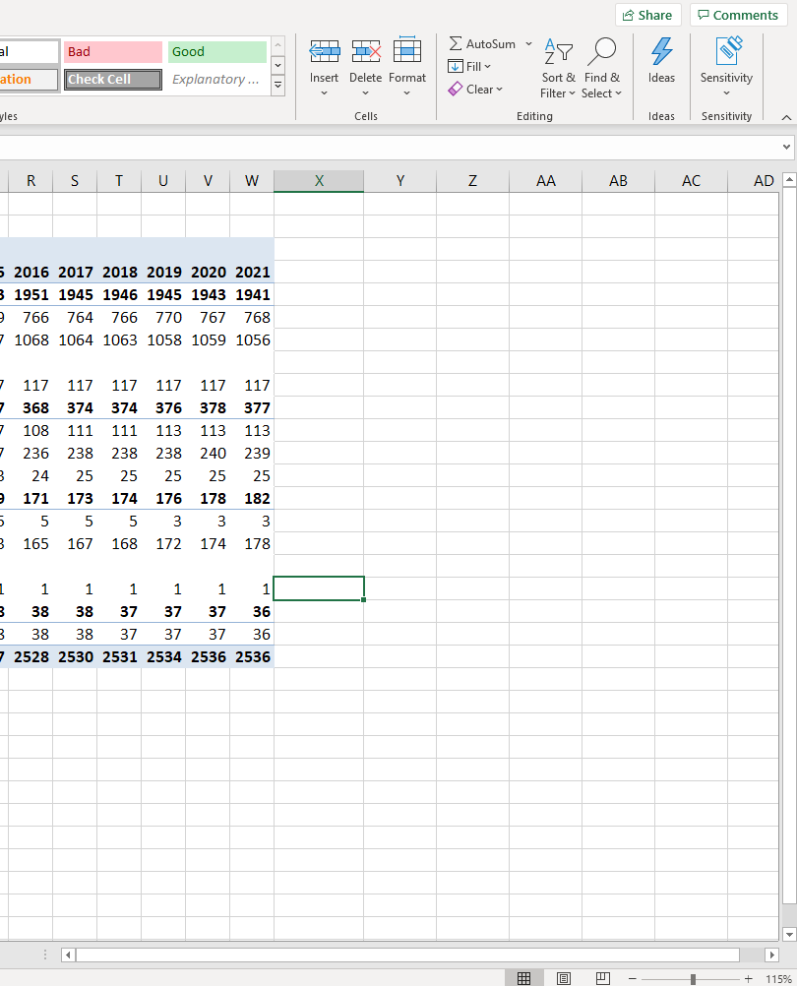

3. Using the PivotTable Field list to edit your table:

1. ∑ values is automatically set to "sum of schools (∑ values)". This is the only part of the pivot table that needs to remain the same. This data set was specifically designed to show the number of schools. Changing it to "average of schools (∑ values)", etc or dragging any other variable into the box will give meaningless results.

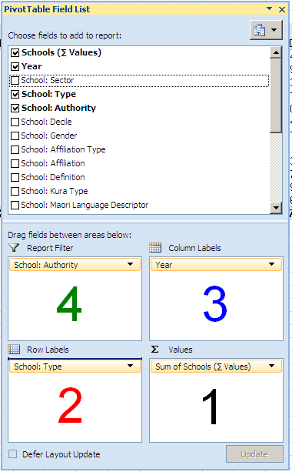

2. Drag any variable from the field list, except "schools (∑ values)", into this box and it will show up down the left hand side of the table. Un-tick field to remove it or drag it into another box.

3. Drag any variable from the field list, except "schools (∑ values)", into this box and it will show across the top of the table. Un-tick field to remove it or drag it into another box.

4. Drag any variable from the field list, except "schools (∑ values)", into this box and it will appear as a filter above the table. If you click on the drop down list you can limit the types of schools you are interested in. See picture below:

NOTE: The data reported here is based on the 1 July roll returns for each year from 1996 - 2021. If "Year" is not included as a column or row filter, it is important to select it as a "report filter" so results are limited to a single year. Otherwise, the numbers will automatically be summed across all years of data.

A filter symbol appears next to variable label if results are being limited. To reset this click on the symbol and select (all) instead.

See 'Technical Notes' tab for a more detailed description of each variable.

